Sheet1
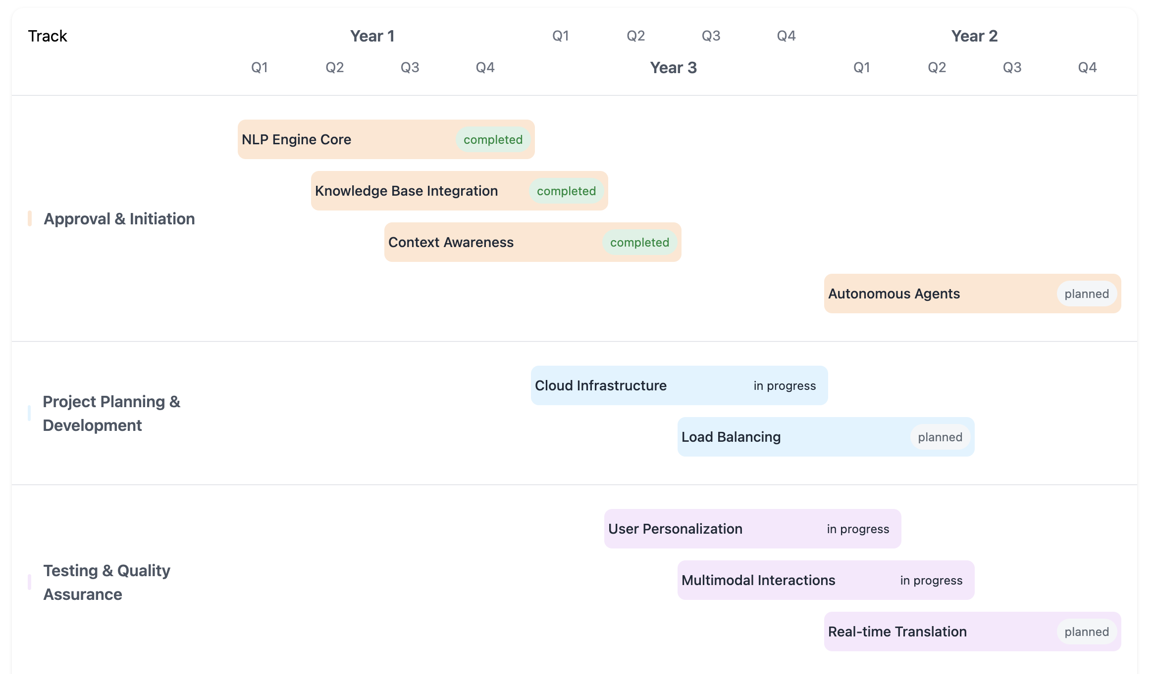
hello | bye |  | TIDE

 | hi

 |  | blah

 |  |  | ablh

